Summary - Leaching Bed
 | Project:
 | Designer: |  |  |  |  |  |  |  |  |  | Date: | 2026-03-06

 | Element |  |  |  | Value |  |  | Units |  | Legend
 | Soil percolation time (T-Time) |  |  |  | 0 |  |  | Min/cm |  | DS | Depth of receiving soil before limiting condition
 | System O)) Design Flow |  |  |  | 0 |  |  | L/d |  | ECC | Center to Center Spacing
 | Number of rows of Enviro-Septic Pipes |  |  |  | 0 |  |  | Rows |  | EE | Extremity Extension Distance
 | Number of Enviro-Septic Pipes per row |  |  |  | 0 |  |  | ESP |  | EL | Lateral Extension Distance
 | Total number of Enviro-Septic Pipes |  |  |  |  |  |  | ESP |  | EL1 | Lateral Extension Distance Up-hill (Sloped system)
 | Total length of Enviro-Septic Pipes |  |  |  | 0 |  |  | m |  | EL2 | Lateral Extension Distance Down-hill (Sloped system)
 | Number of sections |  |  |  | 0 |  |  | section(s) |  | IS | Thickness of imported sand layer
 | Total System O)) Contact Area |  |  |  |  |  |  | m2 |  | L | Length of one section of the Sysem O))
 | Hydraulic Loading Rate (HLR) |  |  |  |  |  |  | L/m2.d |  | SD | Separation distance under the system
 | Estimation of the Volume of System Sand Required |  |  |  |  |  |  | m3 |  | SE | Sand Extension - Slope of more than 10%
 | Estimation of the Volume of Imported Sand Required |  |  |  |  |  |  | m3 |  | SMin | Minimum Vertical Separation distance form the base of the system to Rock, Clay or Water Table
 | Custom spacings |  |  |  | No |  |  |  |  | W1 | Width of the rows (Centre-to-centre)
 | Number of sections: |  |  | 0 |  |  |  |  |  | W2 | Width of one section of the System O))
 |  |  |  |  |  |  |  |  |  | W3 | Width of the System O)) with Sand Extension (when applicable)

 |  | Top view of system (One section if multiple section system)
 |  |  |  |  |  | (Drawing incomplete and not to scale )

 |  | EE = | m - 0 ft |  |  | L1 = | 0 m - 0 ft |  |  | EE = | m - 0 ft

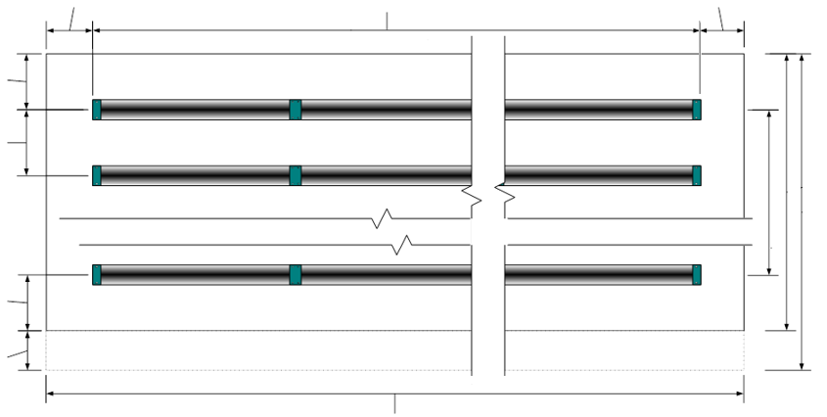
 |  |  |  |  |  |  |  |  |  |  |  | Slope= | 0%

EL = | m

 | 0 ft

ECC= | m |  |  |  |  |  |  |  |  |  |  | W1= | #DIV/0!

 | 0 ft |  |  |  |  |  |  |  |  |  |  |  | #DIV/0!

 |  |  |  |  |  |  |  |  |  |  |  | W2= | m

 |  |  |  |  |  |  |  |  |  |  |  |  | #VALUE!
EL = | m

 | 0 ft |  |  |  |  |  |  |  |  |  |  | W3= | N/A

 |  |  |  |  |  |  |  |  |  |  |  |  | N/A
SE= | N/A

 | N/A

 |  |  |  |  |  | L2= | #VALUE!

 |  | System Cross section (One section if multiple section system)
 |  |  |  |  |  | (Drawing incomplete and not to scale )

 |  |  | Slope= | 0%

 | EL = | m - 0 ft |  |  | ECC= | m -0 ft |  |  | EL= | m - 0 ft

 |  |  |  |  |  |  |  |  |  |  |  | SE= | N/A

 |  |  |  |  |  |  |  |  |  |  |  |  | N/A

IS= | m

 | 0 ft |  |  |  |  |  |  |  |  |  |  | SD= | m

 |  |  |  |  |  |  |  |  |  |  |  |  | #VALUE!

DS= | m

 | #VALUE!

Attention: | The designer is responsible to conform to all applicable laws and to all System O)) design rules. This simulator is provided free of charge as a configuration development tool and the user understands that DBO Expert inc. and its distributors cannot be held responsible for errors or omissions because of this service.

