Summary - Leaching Bed
 | Project: |  | 0
 | Designer: |  | 0 |  |  |  |  |  |  |  | Date: |  | 2026-03-06

 | Element |  |  |  | Value |  |  | Units |  | Legend
 | Soil percolation time (T-Time) |  |  |  | 0 |  |  | Min/cm |  | DS | Depth of receiving soil before limiting condition
 | System O)) Design Flow |  |  |  | 0 |  |  | L/d |  | ECC | Center to Center Spacing
 | Number of rows of Enviro-Septic Pipes |  |  |  | #DIV/0! |  |  | trench |  | EE | Extremity Extension Distance
 | Number of Enviro-Septic Pipes per row |  |  |  | 0 |  |  | ESP |  | EL | Lateral Extension Distance
 | Number of section (s) |  |  |  | 0 |  |  | section(s) |  | L | Length of one row of the System O))
 | Total number of Enviro-Septic Pipes |  |  |  |  |  |  | ESP |  | W | Width of one row of the System O))
 | Total length of a row |  |  |  | 0.60 |  |  | m |  | L1 | Total length of the system
 | Total width of a row |  |  |  | 0.60 |  |  | m |  | W1 | Total width of the system
 | Total contact area of one row |  |  |  | 0.36 |  |  | m2 |  | SD | Separation distance under the system
 | Total length of one section of the system |  |  |  | 0.60 |  |  | m |  | SMin | Minimum Vertical Separation distance form the base of the system to Rock, Clay or Water Table
 | Total width of one section of the system |  |  |  | #DIV/0! |  |  | m
 | Total System O)) Contact Area |  |  |  | #DIV/0! |  |  | m2
 | Estimation of the Volume of System Sand Required |  |  |  | 0.0 |  |  | m3
 | Estimation of the Volume of Imported Sand Required |  |  |  | 0.0 |  |  | m3
 | Number of sections: |  |  | 0

 |  | Top view of system in nested pipe configuration (one section if multiple section system)
 |  |  |  |  |  | (Drawing incomplete and not to scale )

 |  | EE= | 0,3 m - 0,984 ft |  |  | L = | 0 m - 0 ft

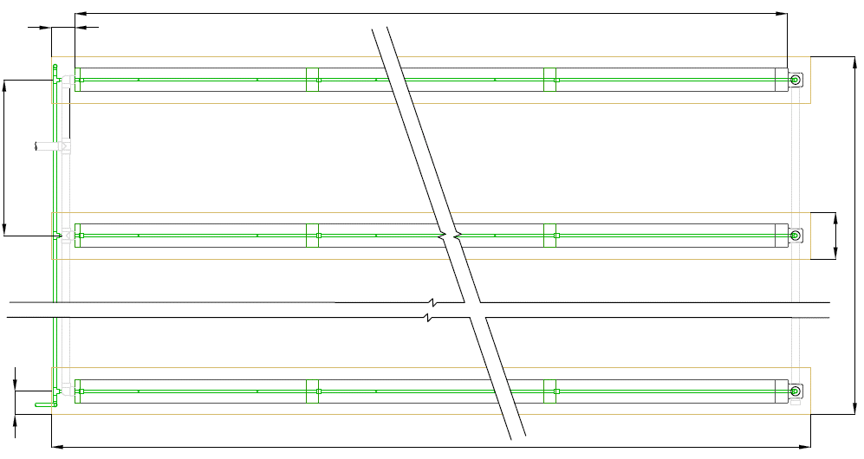

 |  |  |  |  |  |  |  |  |  |  |  |  | Rows | #DIV/0!
 |  |  |  |  |  |  |  |  |  |  |  |  | Pipes/row | 0

ECC= | 2 m |  |  |  |  |  |  |  |  |  |  |  | W= | 0,6 m

 | 6,6 ft |  |  |  |  |  |  |  |  |  |  |  |  | 2 ft

 |  |  |  |  |  |  |  |  |  |  |  |  | W1= | #DIV/0!

 |  |  |  |  |  |  |  |  |  |  |  |  |  | #DIV/0!

EL = | 0,3 m

 | 0,98 m

 |  |  |  |  |  | L1= |  | 0,6 m - 1,97 ft

 |  | System Cross section in nested pipe configuration

 |  |  |  |  |  | (Drawing incomplete and not to scale )

 |  |  | EL = | 0,3 m - 0,984 ft |  |  | ECC= | 2 m - 6,56 ft

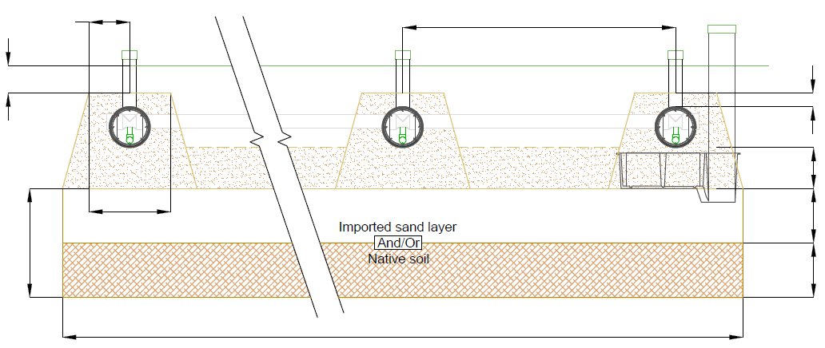

MAX. 0,2 m - 0,67 ft

 |  |  |  |  |  |  |  |  |  |  |  |  | 0,1 m - 0,33 ft

 |  |  |  |  |  |  |  |  |  |  |  |  | 0,3 m

 |  |  |  |  |  |  |  |  |  |  |  |  | 0,98 ft

SD = | m |  |  |  |  |  |  |  |  |  |  |  | IS = | m

 | #VALUE! |  |  |  |  |  |  |  |  |  |  |  |  | 0 ft

 |  |  |  |  |  |  |  |  |  |  |  |  | DS= | m

 |  |  |  |  |  |  |  |  |  |  |  |  |  | #VALUE!
 |  |  | W = | 0,6 m |  |  |  | W1 = | #DIV/0!

 |  |  |  | 1,97 ft |  |  |  |  | #DIV/0! |  |  | Type of sand: | Imported sand

Attention: | The designer is responsible to conform to all applicable laws and to all System O)) design rules. This simulator is provided free of charge as a configuration development tool and the user understands that DBO Expert inc. and its distributors cannot be held responsible for errors or omissions because of this service.

Pump calculator
Zoeller pumps
 | Zoeller 151 |  | Zoeller 152 |  | Zoeller 153 |  | Zoeller 185 |  | Zoeller 186 |  | Zoeller 188 |  | Zoeller 189 |  | Zoeller 191 |  | Operation point |  | Dash line
50 | 5 | 69 | 5 | 77 | 5 | 85 | 30 | 58 | 5 | 145 | 5 | 145 | 5 | 45 | 5 | 0.0 | 0.0 | 0.0 | 0.0
45 | 10 | 61 | 10 | 70 | 10 | 70 | 40 | 58 | 10 | 140 | 10 | 140 | 10 | 45 | 10 |  |  | 140.0 | 0.0
38 | 15 | 53 | 15 | 61 | 15 | 51 | 50 | 58 | 20 | 128 | 20 | 130.5 | 20 | 45 | 20
29 | 20 | 44 | 20 | 52 | 20 | 32 | 60 | 58 | 30 | 116 | 30 | 120 | 30 | 45 | 30
16 | 25 | 34 | 25 | 42 | 25 | 9 | 70 | 58 | 40 | 103.5 | 40 | 109 | 40 | 45 | 40
0 | 30 | 23 | 30 | 33 | 30 | 0 | 73 | 58 | 50 | 90 | 50 | 97 | 50 | 45 | 50
 |  | 0 | 37 | 22 | 35 |  |  | 58 | 60 | 71 | 60 | 85 | 60 | 45 | 60
 |  |  |  | 11 | 40 |  |  | 52 | 70 | 51 | 70 | 69 | 70 | 45 | 70
 |  |  |  | 0 | 44 |  |  | 45 | 80 | 28 | 80 | 51 | 80 | 45 | 80
 |  |  |  |  |  |  |  | 30.5 | 90 | 2 | 90 | 34 | 90 | 45 | 90
 |  |  |  |  |  |  |  | 16 | 100 | 0 | 91 | 17 | 100 | 40 | 100
 |  |  |  |  |  |  |  | 4 | 110 |  |  | 0 | 110 | 30 | 110
 |  |  |  |  |  |  |  | 0 | 112 |  |  |  |  | 20 | 120
 |  |  |  |  |  |  |  |  |  |  |  |  |  | 10 | 130
 |  |  |  |  |  |  |  |  |  |  |  |  |  | 0 | 138
Nested pipe pump calculator |  |  |  |  |  | ** Please note that these curves are rough approximates, please verify on the actual pump curve.
*For System O)) with more than 150 AES pipe, please contact Make-Way
**This calculation is valid for only one section of the system
System O)) parameters |  |  |  | Pump selection**/***
Parameter | Value | Units | Notes | Zoeller 151 | #DIV/0!
Orifice diameter | 4.766 | mm | Usually 4,766 mm (3/16") | Zoeller 152 | #DIV/0!
Space between orifices | 1.52 | m | For Nested pipe, 1,52 m | Zoeller 153 | #DIV/0!
Number of pipes per trench | 0 |  |  | Zoeller 185 | #DIV/0!
Length of a lateral pipe | 0 | m | = Number of pipes per row x 3,05 m | Zoeller 186 | #DIV/0!
Height of spray | 0.8 | m | Minimum 0,6 m | Zoeller 188 | #DIV/0!
Diameter of the nested pipe | 40.93 | mm | For nested pipe (NP), 40,93 mm (1,5 in) | Zoeller 189 | #DIV/0!
Hazen William Coefficient | 150 |  | 150 for PVC pipe | Zoeller 191 | #DIV/0!
Number of rows fed at the same time | #DIV/0! |  |  | Liberty 250 | #DIV/0!
Number of orifices per lateral | 0 |  |  | Liberty 280 | #DIV/0!
Proximal/distal ratio | 0.00 |  |  | Liberty 290 | #DIV/0!
Feeding pipe and pump chamber parameters |  |  |  | Liberty FL50 | #DIV/0!
Liberty pumps
 | Liberty 250 |  | Liberty 280 |  | Liberty 290 |  | Liberty FL50 |  | Liberty FL60 |  | Liberty FL70 |  | Liberty FL100 |  | Liberty FL150 |  | Liberty FL200 |  | Operation point |  | Dash line
50 | 1 | 67.5 | 0 | 83 | 0 | 90 | 3 | 0 | 65 | 0 | 77 | 0 | 90 | 0 | 110 | 0 | 132 | 0.0 | 0.0 | 0.0 | 0.0
40 | 8 | 60 | 7 | 80 | 2.8 | 80 | 12.5 | 20 | 60 | 10 | 72 | 12 | 85 | 20 | 97 | 10 | 126 |  |  | 140.0 | 0.0
30 | 13.5 | 50 | 14.5 | 70 | 11.75 | 70 | 20.75 | 25 | 57 | 15 | 69 | 24 | 80 | 30 | 90 | 25 | 115
20 | 18 | 40 | 21 | 60 | 18.666 | 60 | 27.75 | 35 | 53 | 25 | 64 | 30 | 77 | 40 | 82 | 40 | 106
10 | 21 | 30 | 26.5 | 50 | 25.33 | 50 | 33.666 | 40 | 51 | 30 | 61 | 37 | 75 | 50 | 75 | 45 | 100
0 | 23 | 20 | 31 | 40 | 31.5 | 40 | 38.75 | 45 | 47 | 40 | 55 | 55 | 65 | 56 | 70 | 55 | 92
 |  | 10 | 34.5 | 30 | 37 | 30 | 43.25 | 55 | 42 | 55 | 45 | 75 | 50 | 70 | 60 | 65 | 84
 |  | 0 | 37 | 20 | 41.8 | 20 | 47.333 | 70 | 30 | 65 | 37 | 85 | 37 | 80 | 53 | 75 | 72
 |  |  |  | 10 | 45.6 | 10 | 51.2 | 75 | 25 | 75 | 27 | 90 | 30 | 90 | 45 | 80 | 65
 |  |  |  | 0 | 48 | 0 | 55 | 80 | 20 | 85 | 17 | 95 | 22 | 110 | 30 | 90 | 54
 |  |  |  |  |  |  |  | 90 | 10 | 95 | 7 | 100 | 8 | 125 | 10 | 100 | 38
 |  |  |  |  |  |  |  | 95 | 5 |  |  | 107 | 0 | 130 | 0 | 102 | 30
 |  |  |  |  |  |  |  |  |  |  |  |  |  |  |  | 102 | 20
 |  |  |  |  |  |  |  |  |  |  |  |  |  |  |  | 102 | 10
 |  |  |  |  |  |  |  |  |  |  |  |  |  |  |  | 102 | 0
Parameter | Value | Units | Notes | Liberty FL60 | #DIV/0!
Pump orifice size | 50 | mm | Does not impact much. Usually between 51 and 53 mm. Confirm with the selected pump. | Liberty FL70 | #DIV/0!
Force main internal diameter | 50 | mm | Refer to Pipe diameter table. | Liberty FL100 | #DIV/0!
Length of the force main pipe | 15 | m | From the pump chamber to the bed | Liberty FL150 | #DIV/0!
Height difference between the System O)) and pump station | 2.5 | m | From the bottom of the pump station to the feed of the System O)). | Liberty FL200 | #DIV/0!
K value for singular loss | #DIV/0! |  | 10 is a good approximation for small restriction systems. If there is a lot of restrictions see this website : https://archive.nptel.ac.in/content/storage2/courses/112104118/lecture-37/37-3_losses_pipe_fittings.htm | Little Giant WS30M | #DIV/0!
Need for indexing valve ? | NO |  |  | Little Giant WS50M | #DIV/0!
 |  |  |  | Little Giant WS50H | #DIV/0!
Little giant pumps
 | WS30M |  | WS50M |  | WS50H |  | WS100H |  | Operation point |  | Dash line
105 | 6 | 105 | 6 | 130 | 6 | 150 | 10 | 0.0 | 0.0 | 0.0 | 0.0
90 | 10 | 90 | 10 | 115 | 10 | 145 | 15 |  |  | 140.0 | 0.0
70 | 15 | 80 | 15 | 107 | 15 | 140 | 20
45 | 20 | 64 | 20 | 98 | 20 | 134 | 25
15 | 25 | 50 | 25 | 88 | 25 | 128 | 30
0 | 26 | 0 | 42 | 78 | 30 | 121 | 35
 |  |  |  | 67 | 35 | 115 | 40
 |  |  |  | 57 | 40 | 106 | 45
 |  |  |  | 43 | 45 | 97 | 50
 |  |  |  | 30 | 50 | 76 | 60
 |  |  |  | 0 | 62 | 27 | 80
 |  |  |  |  |  | 0 | 90
Minimal operation point |  |  |  | Little Giant WS100H | #DIV/0!
Head loss | #DIV/0! | m |  | Gould EP04 | #DIV/0!
Flow | #DIV/0! | L/s |  | Gould EP05 | #DIV/0!
Head loss | #DIV/0! | ft |  | Gould WE05 | #DIV/0!
Flow | #DIV/0! | gpm |  | Gould WE05HH | #DIV/0!
A safety factor of 20% in included in the head loss above |  |  |  | Gould WE07 | #DIV/0!
Pump chamber informations |  |  |  | Gould WE10 | #DIV/0!
Pump chamber minimum volume* | 0 | L |  | Gould WE15 | #DIV/0!
Dose recommended | 30 | L |  | Gould WE20 | #DIV/0!
*As recommended from the Shallow buried trench Guidance Document from The Ontario Onsite Wastewater Association
https://www.oowa.org/wp-content/uploads/2022/05/Shallow-Buried-Trench-Best-Practices-FINAL-March2019.pdf |  |  |  | Pump selected | Zoeller 185
 |  |  |  | Pump validation | #DIV/0!
 |  |  |  | Enter the flow of the pump (gpm) | 60
 |  |  |  | Run time | 0 Min & 8 sec
Gould pumps
 | Gould EP04 |  | Gould EP05 |  | Gould WE05 |  | Gould WE07 |  | Gould WE010 |  | Gould WE015 |  | Gould WE05HH |  | Gould WE020 |  | Operation point |  | Dash line
53 | 5 | 62 | 10 | 78 | 10 | 94 | 10 | 103 | 15 | 128 | 15 | 58 | 10 | 138 | 15 | 0.0 | 0.0 | 0.0 | 0.0
46 | 10 | 55 | 15 | 70 | 15 | 90 | 15 | 98 | 20 | 123 | 20 | 53 | 15 | 136 | 20 |  |  | 140.0 | 0.0
36 | 15 | 46 | 20 | 60 | 20 | 83 | 20 | 94 | 25 | 117 | 25 | 49 | 20 | 133 | 25
21 | 20 | 33 | 25 | 48 | 25 | 76 | 25 | 88 | 30 | 110 | 30 | 45 | 25 | 130 | 30
0 | 25 | 11 | 30 | 35 | 30 | 67 | 30 | 82 | 35 | 103 | 35 | 40 | 30 | 126 | 35
 |  | 0 | 32 | 22 | 35 | 57 | 35 | 74 | 40 | 95 | 40 | 35 | 35 | 121 | 40
 |  |  |  | 0 | 46 | 45 | 40 | 64 | 45 | 86 | 45 | 30 | 40 | 116 | 45
 |  |  |  |  |  | 35 | 45 | 53 | 50 | 77 | 50 | 25 | 45 | 110 | 50
 |  |  |  |  |  | 25 | 50 | 40 | 55 | 67 | 55 | 0 | 62 | 103 | 55
 |  |  |  |  |  | 0 | 66 | 30 | 60 | 56 | 60 |  |  | 96 | 60
 |  |  |  |  |  |  |  | 20 | 65 | 45 | 65 |  |  | 89 | 65
 |  |  |  |  |  |  |  | 0 | 78 | 35 | 70 |  |  | 81 | 70
 |  |  |  |  |  |  |  |  |  | 25 | 75 |  |  | 74 | 75
 |  |  |  |  |  |  |  |  |  | 0 | 88 |  |  | 66 | 80
 |  |  |  |  |  |  |  |  |  |  |  |  |  | 49 | 90
 |  |  |  |  |  |  |  |  |  |  |  |  |  | 30 | 100
 |  |  |  |  |  |  |  |  |  |  |  |  |  | 0 | 116
 |  |  |  | Off time | 59 Min & 52 sec
 |  |  |  | **Or equivalent
 |  |  |  | ***Please verify that the pump fits in the curve

 |  |  |  | Nominal diameter (mm) | Nominal diameter (in)
 |  |  |  | 38 | 1"1/2
 |  |  |  | 50 | 2"
 |  |  |  | 75 | 3"

 | 0 | #DIV/0!
 | 140.0 | #DIV/0!
 | Change pump!
 | #DIV/0!

