Instructions
Instructions for the Filter Sand Evaluation Tool
 | Version 3.71
Introduction
The use of this tool is relatively simple. You only need to fill in the green cells of the Excel spreadsheet and the graphic curve will be drawn automatically. The tool allows the users to input data from two choices of sieve analysis depending on the sieve opening size used by the lab. Make sure to use the spreadhseet corresponding to your sieve opening sizes.

Base Data
Write the name of the sand supplier, the name of the laboratory that conducted the granulometric analysis, the name of the person who took the sample, the date of the sample, and the source of the sample.

% Passing
Enter the percentage passing for each opening size listed on the sieve analysis report.

Evaluation of the D10 and D60
Starting on the vertical scale at 10 %, determine the value on the logarithmic scale where the curve crosses the 10 % line as shown on the following graph. Repeat the same evaluation for D60.

The following graph shows the position of the crosses on the curve being used.
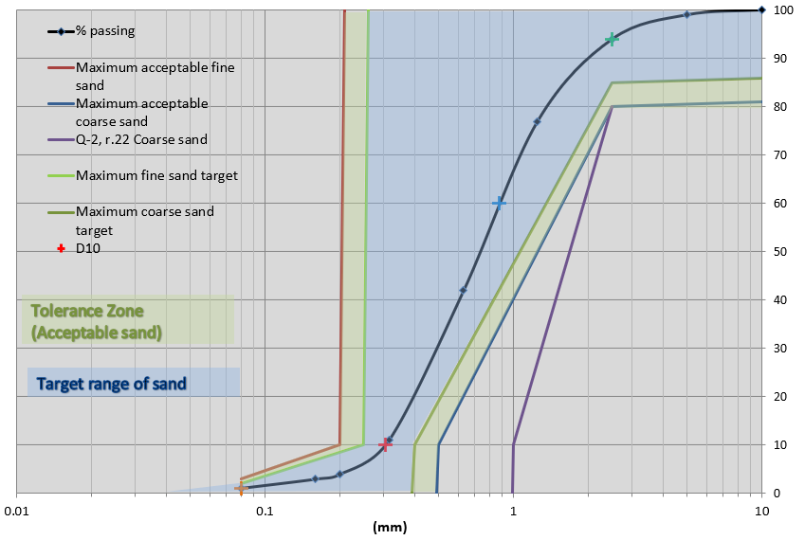

How to read the logarithmic scale

Each verticle line corresponds with a value of 0.01 to 10 such as shown in the previous figure.

Sieves 0.075-9.5
System Sand Evaluation Tool (Version 3.3)
Note: Enter required information in the green cells
Données:
Company
Lab
Sample taken by
Date of sampling
Sample from

Sieve size (mm) | % passing |  | Evaluation Date: |  | 2025-10-10
0.075
0.15
0.3
0.6
1.18
2.36
4.75
9.5

System Sand Validation | Result | Units | Criteria | Validation
Enter D10 as shown on the graph |  | mm | 0,20 ≤ D10 ≤ 0,5 | Enter value | NO
Enter D60 as shown on the graph |  | mm |  | Enter value
Cu (Coefficient of uniformity): |  |  | ≤ 4,5
Fines particles (< 0,08 mm) |  | % | ≤ 3 %
Estime % for particles > 2,5 mm |  | % | ≤ 20 % | Enter value
 | % passing |  | Limit for fines |  | Limit for coarse |  | Q-2, r.22, Coarse |  | Limit for desired fines |  | Limit for desired coarses |  | D10 |  | D60 |  | % fine particules |  | % particule > 2,5 mm |  | % passant all
0.075 |  | 0.08 | 3 | 0.49 | 0 | 0.99 | 0 | 0.08 | 2 | 0.39 | 0 |  | 10 |  | 60 | 0.08 | 0.00 | 2.5 | 100 | 0.3
0.15 |  | 0.2 | 10 | 0.5 | 10 | 1 | 10 | 0.25 | 10 | 0.4 | 10 |  |  |  |  |  |  |  |  | 0.6
0.3 |  | 0.21 | 100 | 2.5 | 80 | 2.5 | 80 | 0.26 | 100 | 2.5 | 85 |  |  |  |  |  |  |  |  | 1.18
 |  |  |  | 10 | 81 |  |  |  |  | 10 | 86 |  |  |  |  |  |  |  |  | 2.36
 |  |  |  |  |  |  |  |  |  |  |  |  |  |  |  |  |  |  |  | 4.75
 |  |  |  |  |  |  |  |  |  |  |  |  |  |  |  |  |  |  |  | 9.5

Target range of sand

 |  |  | Limites Enviro-Septic
 |  |  | Sable fin acceptable
 |  |  | 0.08 | 3
 |  |  | 0.2 | 10
 |  |  | 0.21 | 100
 |  |  | Sable fin visé
 |  |  | 0.08 | 2
 |  |  | 0.25 | 10
 |  |  | 0.26 | 100
 |  |  | Sable grossier
 |  |  | 0.49 | 0
 |  |  | 0.5 | 10
 |  |  | 2.5 | 80
 |  |  | 10 | 81
 |  |  | Sable grossier visé
 |  |  | 0.39 | 0
 |  |  | 0.4 | 10
 |  |  | 2.5 | 85
 |  |  | 10 | 86 |  | Y pour D10 | 10
 |  |  | Sable grossier Q-2, r.22 |  |  | Y pour D60 | 60
Validation Q-2 r.8 | Non |  | 0.99 | 0 |  | x pour part 2,5 | 2.5
 |  |  | 1 | 10 |  | y pour part 2,5 | 100
 |  |  | 2.5 | 80 |  | x pour part 0,08 | 0.08

Sieves 0.075-9.5 + 0.2 mm
Evaluation Tool for the Compliance of a System Sand (Version 3.3)
Note: Enter the information in the green cells
Data:
Sand Supplier:
Laboratory:
Sample taken by:
Sample date:
Sample source:

Sieve diameter | % passing |  | Evaluation date: |  | 2025-10-10
0.075
0.15
0.2
0.3
0.6
1.18
2.36
4.75
9.5

System O)) Sand Acceptance |  | Units | Criteria | Acceptance
D10 evaluated on the graph curve: |  | mm | 0.20 ≤ D10 ≤ 0.5 | Enter data
D60 evaluated on the graph curve: |  | mm |  | Enter data
Cu (Uniformity coefficient): |  |  | ≤ 4.5
Fine particles (< 0.08 mm) evaluated on the graph curve: |  | % | ≤ 3 % |  | Acceptable sample?
Large particles (> 2.5 mm) evaluated on the graph curve: |  | % | ≤ 20 %
Sample compliant with the criteria of System O)) system sand?

 | % passing |  | Maximum acceptable fine sand |  | Maximum acceptable coarse sand |  | Maximum fine sand target |  | Maximum coarse sand target |  | D10 |  | D60 |  | % fine particles |  | % particles > 2.5 mm
0.075 |  | 0.08 | 3 | 0.49 | 0 | 0.08 | 2 | 0.39 | 0 |  | 10 |  | 60 | 0.08 | 0.00 | 2.5 | 100
0.15 |  | 0.2 | 10 | 0.5 | 10 | 0.25 | 10 | 0.4 | 10
0.2 |  | 0.21 | 100 | 2.5 | 80 | 0.26 | 100 | 2.5 | 85
0.3 |  |  |  | 10 | 81 |  |  | 10 | 86
0.6
1.18
2.36
4.75
9.5

 |  |  | System O)) Restrictions
 |  |  | Acceptable fine sand
 |  |  | 0.08 | 3
 |  |  | 0.2 | 10
 |  |  | 0.21 | 100
 |  |  | Target fine sand
 |  |  | 0.08 | 2
 |  |  | 0.25 | 10
 |  |  | 0.26 | 100
 |  |  | Coarse sand
 |  |  | 0.49 | 0
 |  |  | 0.5 | 10
 |  |  | 2.5 | 80
 |  |  | 10 | 81
 |  |  | Target coarse sand
 |  |  | 0.39 | 0
 |  |  | 0.4 | 10
 |  |  | 2.5 | 85
 |  |  | 10 | 86 |  | Y for D10 | 10
 |  |  | Q-2, r.22 Coarse sand |  |  | Y for D60 | 60
Validation Q-2 r.22 | No |  | 0.99 | 0 |  | x for part 2.5 | 2.5
 |  |  | 1 | 10 |  | y for part 2.5 | 100
 |  |  | 2.5 | 80 |  | x for part 0.08 | 0.08

Sieves 0.08-10
System Sand Evaluation Tool (Version 3.3)
Note: Enter required information in the green cells
Données:
Company
Lab
Sample taken by
Date of sampling
Sample from

Sieve size (mm) | % passing |  | Evaluation Date: |  | 2025-10-10
0.08
0.16
0.315
0.63
1.25
2.5
5
10

System Sand Validation | Result | Units | Criteria | Validation
Enter D10 as shown on the graph |  | mm | 0,20 ≤ D10 ≤ 0,5 | Enter value | NO
Enter D60 as shown on the graph |  | mm |  | Enter value
Cu (Coefficient of uniformity): |  |  | ≤ 4,5
Fines particles (< 0,08 mm) |  | % | ≤ 3 %
Estime % for particles > 2,5 mm |  | % | ≤ 20 % | Enter value
 | % passing |  | Limit for fines |  | Limit for coarse |  | Q-2, r.22, Coarse |  | Limit for desired fines |  | Limit for desired coarses |  | D10 |  | D60 |  | % fine particules |  | % particule > 2,5 mm |  | % passant all
0.08 |  | 0.08 | 3 | 0.49 | 0 | 0.99 | 0 | 0.08 | 2 | 0.39 | 0 |  | 10 |  | 60 | 0.08 | 0.00 | 2.5 | 100 | 0.315
0.16 |  | 0.2 | 10 | 0.5 | 10 | 1 | 10 | 0.25 | 10 | 0.4 | 10 |  |  |  |  |  |  |  |  | 0.63
0.315 |  | 0.21 | 100 | 2.5 | 80 | 2.5 | 80 | 0.26 | 100 | 2.5 | 85 |  |  |  |  |  |  |  |  | 1.25
 |  |  |  | 10 | 81 |  |  |  |  | 10 | 86 |  |  |  |  |  |  |  |  | 2.5
 |  |  |  |  |  |  |  |  |  |  |  |  |  |  |  |  |  |  |  | 5
 |  |  |  |  |  |  |  |  |  |  |  |  |  |  |  |  |  |  |  | 10

Target range of sand

 |  |  | Limites Enviro-Septic
 |  |  | Sable fin acceptable
 |  |  | 0.08 | 3
 |  |  | 0.2 | 10
 |  |  | 0.21 | 100
 |  |  | Sable fin visé
 |  |  | 0.08 | 2
 |  |  | 0.25 | 10
 |  |  | 0.26 | 100
 |  |  | Sable grossier
 |  |  | 0.49 | 0
 |  |  | 0.5 | 10
 |  |  | 2.5 | 80
 |  |  | 10 | 81
 |  |  | Sable grossier visé
 |  |  | 0.39 | 0
 |  |  | 0.4 | 10
 |  |  | 2.5 | 85
 |  |  | 10 | 86 |  | Y pour D10 | 10
 |  |  | Sable grossier Q-2, r.22 |  |  | Y pour D60 | 60
Validation Q-2 r.8 | Non |  | 0.99 | 0 |  | x pour part 2,5 | 2.5
 |  |  | 1 | 10 |  | y pour part 2,5 | 100
 |  |  | 2.5 | 80 |  | x pour part 0,08 | 0.08

Sieves 0.08-10 + 0.2 mm
Evaluation Tool for the Compliance of a System Sand (Version 3.3)
Note: Enter the information in the green cells
Data:
Sand Supplier:
Laboratory:
Sample taken by:
Sample date:
Sample source:

Sieve diameter | % passing |  | Evaluation date: |  | 2025-10-10
0.075
0.15
0.2
0.3
0.6
1.18
2.36
4.75
9.5

System O)) Sand Acceptance |  | Units | Criteria | Acceptance
D10 evaluated on the graph curve: |  | mm | 0.20 ≤ D10 ≤ 0.5 | Enter data
D60 evaluated on the graph curve: |  | mm |  | Enter data
Cu (Uniformity coefficient): |  |  | ≤ 4.5
Fine particles (< 0.08 mm) evaluated on the graph curve: |  | % | ≤ 3 % |  | Acceptable sample?
Large particles (> 2.5 mm) evaluated on the graph curve: |  | % | ≤ 20 % | Enter data
Sample compliant with the criteria of System O)) system sand?

 | % passing |  | Maximum acceptable fine sand |  | Maximum acceptable coarse sand |  | Maximum fine sand target |  | Maximum coarse sand target |  | D10 |  | D60 |  | % fine particles |  | % particles > 2.5 mm
0.075 |  | 0.08 | 3 | 0.49 | 0 | 0.08 | 2 | 0.39 | 0 |  | 10 |  | 60 | 0.08 | 0.00 | 2.5 | 100
0.15 |  | 0.2 | 10 | 0.5 | 10 | 0.25 | 10 | 0.4 | 10
0.2 |  | 0.21 | 100 | 2.5 | 80 | 0.26 | 100 | 2.5 | 85
0.3 |  |  |  | 10 | 81 |  |  | 10 | 86
0.6
1.18
2.36
4.75
9.5

 |  |  | System O)) Restrictions
 |  |  | Acceptable fine sand
 |  |  | 0.08 | 3
 |  |  | 0.2 | 10
 |  |  | 0.21 | 100
 |  |  | Target fine sand
 |  |  | 0.08 | 2
 |  |  | 0.25 | 10
 |  |  | 0.26 | 100
 |  |  | Coarse sand
 |  |  | 0.49 | 0
 |  |  | 0.5 | 10
 |  |  | 2.5 | 80
 |  |  | 10 | 81
 |  |  | Target coarse sand
 |  |  | 0.39 | 0
 |  |  | 0.4 | 10
 |  |  | 2.5 | 85
 |  |  | 10 | 86 |  | Y for D10 | 10
 |  |  | Q-2, r.22 Coarse sand |  |  | Y for D60 | 60
Validation Q-2 r.22 | No |  | 0.99 | 0 |  | x for part 2.5 | 2.5
 |  |  | 1 | 10 |  | y for part 2.5 | 100
 |  |  | 2.5 | 80 |  | x for part 0.08 | 0.08

