Summary - Leaching Bed
 | Project: |  | 0
 | Designer: |  | 0 |  |  |  |  |  |  |  | Date: |  | 2023-10-04

 | Element |  |  |  | Value |  |  | Units |  | Legend
 | Soil percolation time (T-Time) |  |  |  | 0 |  |  | Min/cm |  | DS | Depth of receiving soil before limiting condition
 | System O)) Design Flow |  |  |  | 0 |  |  | L/d |  | ECC | Center to Center Spacing
 | Number of trench of Enviro-Septic Pipes |  |  |  | 0 |  |  | trench |  | EE | Extremity Extension Distance
 | Number of Enviro-Septic Pipes per trench |  |  |  | 0 |  |  | ESP |  | EL | Lateral Extension Distance
 | Total number of Enviro-Septic Pipes |  |  |  |  |  |  | ESP |  | IS | Thickness of imported sand layer
 | Total length of a trench |  |  |  | 0.60 |  |  | m |  | L | Length of one trench of the System O))
 | Total width of a trench |  |  |  | 0.60 |  |  | m |  | W | Width of one trench of the System O))
 | Total contact area of one trench |  |  |  | 0.36 |  |  | m2 |  | L1 | Total length of the system
 | Total length of the system |  |  |  | 0.60 |  |  | m |  | W1 | Total width of the system
 | Total width of the system |  |  |  | -1.40 |  |  | m |  | SD | Separation distance under the system
 | Total System O)) Contact Area |  |  |  | -0.8 |  |  | m2 |  | SMin | Minimum Vertical Separation distance form the base of the system to Rock, Clay or Water Table
 | Hydraulic Loading Rate (HLR) |  |  |  |  |  |  | L/m2.d
 | Estimation of the Volume of System Sand Required |  |  |  | 0.0 |  |  | m3
 | Estimation of the Volume of Imported Sand Required |  |  |  | -1.9 |  |  | m3

 |  | Top view of system in nested pipe configuration

 |  |  |  |  |  | (Drawing incomplete and not to scale )
 |  | EE= | 0,3 m - 0,984 ft

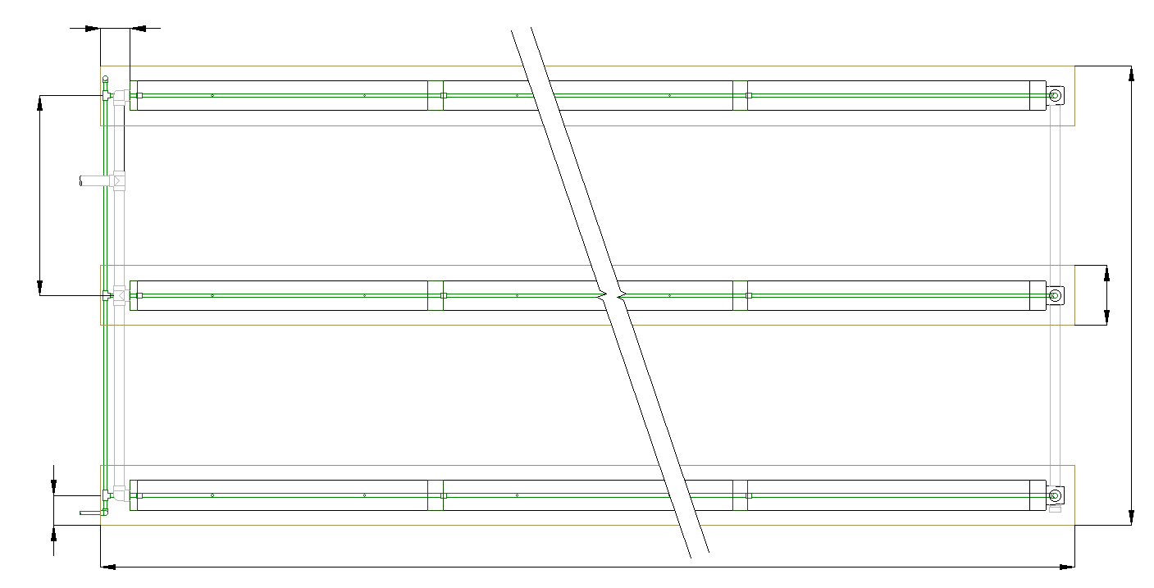

ECC= | 2 m |  |  |  |  |  |  |  |  |  |  |  | W= | 0,6 m

 | 6,6 ft |  |  |  |  |  |  |  |  |  |  |  |  | 2 ft

 |  |  |  |  |  |  |  |  |  |  |  |  | W1= | -1.4 m

 |  |  |  |  |  |  |  |  |  |  |  |  |  | -4.6 ft

EL = | 0,3 m

 | 0,98 ft

 |  |  |  |  |  | L and L1= |  | 0.6 m - 1.97 ft

 |  | System Cross section in nested pipe configuration

 |  |  |  |  |  | (Drawing incomplete and not to scale )

 |  |  | EL = | 0,3 m - 0,984 ft |  |  | ECC= | 2 m - 6,56 ft

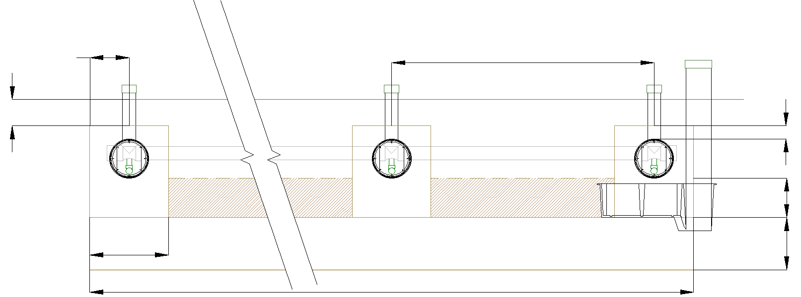

MAX. 0,2 m - 0,67 ft

 |  |  |  |  |  |  |  |  |  |  |  |  | 0,1 m - 0,33 ft

 |  |  |  |  |  |  |  |  |  |  |  |  | IS= | 0.9 m

 |  |  |  |  |  |  |  |  |  |  |  |  |  | 2.95 ft

 |  |  |  |  |  |  |  |  |  |  |  |  | DS= | m

 |  |  |  |  |  |  |  |  |  |  |  |  |  | 0 ft

 |  |  | W = | 0,6 m |  |  |  | W1 = | -1.4 m
 |  |  |  |  |  |  |  |  |  |  |  | Type of sand: | Imported sand
 |  |  |  | 1,97 ft |  |  |  |  | -4.6 ft

Attention: | The designer is responsible to conform to all applicable laws and to all Enviro-Septic design rules. This simulator is provided free of charge as a configuration development tool and the user understands that DBO Expert inc. and its distributors cannot be held responsible for errors or omissions because of this service.

Pump calculator
Pump calculator

 | Zoeller 151 |  | Zoeller 152 |  | Zoeller 153 |  | Liberty 250 |  | Liberty 280 |  | Liberty 290 |  | Liberty FL50 |  | Operation point
50 | 5 | 69 | 5 | 77 | 5 | 50 | 1 | 67.5 | 0 | 80 | 2.8 | 90 | 3 | 0.00 | 0.00
45 | 10 | 61 | 10 | 70 | 10 | 40 | 8 | 60 | 7 | 70 | 11.75 | 80 | 12.5
38 | 15 | 53 | 15 | 61 | 15 | 30 | 13.5 | 50 | 14.5 | 60 | 18.666 | 70 | 20.75
29 | 20 | 44 | 20 | 52 | 20 | 20 | 18 | 40 | 21 | 50 | 25.33 | 60 | 27.75
16 | 25 | 34 | 25 | 42 | 25 | 10 | 21 | 30 | 26.5 | 40 | 31.5 | 50 | 33.666
 |  | 23 | 30 | 33 | 30 | 0 | 23 | 20 | 31 | 30 | 37 | 40 | 38.75
 |  |  |  | 22 | 35 |  |  | 10 | 34.5 | 20 | 41.8 | 30 | 43.25
 |  |  |  | 11 | 40 |  |  | 0 | 37 | 10 | 45.6 | 20 | 47.333
 |  |  |  |  |  |  |  |  |  | 0 | 48 | 10 | 51.2
 |  |  |  |  |  |  |  |  |  |  |  | 0 | 55
Infos
Number of pipes |  |  |  | pipes
Distance between pump chamber and System O)) bed |  |  | 5 | m
Height between pump chamber and System O)) bed |  |  | 1 | m

Minimal operation point
Head loss | #VALUE! | m
Flow | #VALUE! | L/s

Head loss | #VALUE! | ft
Flow | #VALUE! | gpm

Pump selection*
Liberty 250 | #VALUE!
Zoeller 151 | #VALUE!
Liberty 280 | #VALUE!
Zoeller 152 | #VALUE!
Zoeller 153 | #VALUE!
Liberty 290 | #VALUE!
Liberty FL50 | #VALUE!
*Or equivalent
Pump chamber informations
Pump chamber minimum volume** | 0 | L
Dose recommanded | 6 | L

**As recommended from the Shallow buried trench Guidance Document from The Ontario Onsite Wastewater Association
https://www.oowa.org/wp-content/uploads/2022/05/Shallow-Buried-Trench-Best-Practices-FINAL-March2019.pdf

